Minneapolis
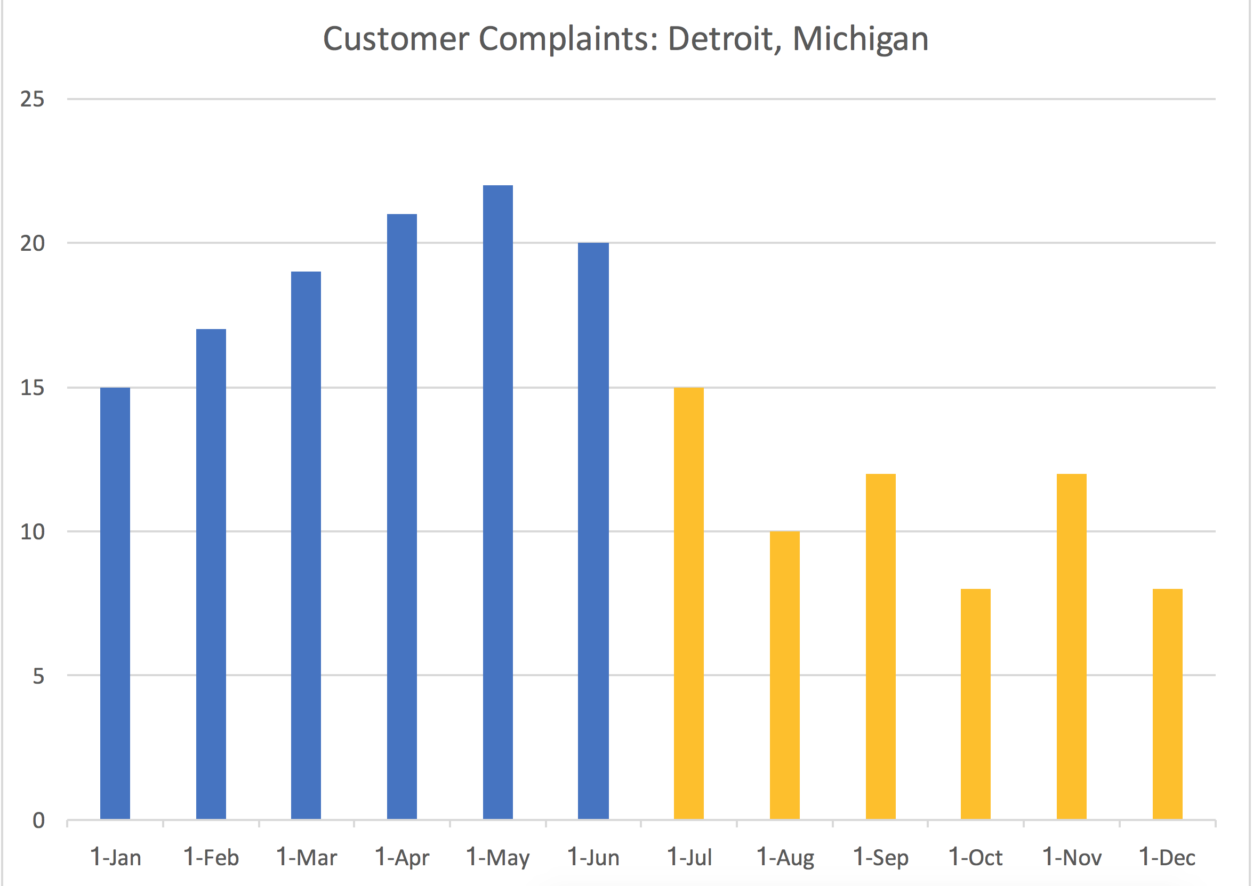
WearOne

Customer Complaints

 | Complaints | Post | Detroit | Interaction | City
2017-01-16 | 15 | 0 | 1 | 0 | Detroit
2017-02-16 | 17 | 0 | 1 | 0 | Detroit |  | Detroit | Minneapolis |  | 0.4298245614
2017-03-16 | 19 | 0 | 1 | 0 | Detroit | Pre | 114 | 125
2017-04-16 | 21 | 0 | 1 | 0 | Detroit | Post | 65 | 84
2017-05-16 | 22 | 0 | 1 | 0 | Detroit |  | 49 | 41 | 8 | 0.168
2017-06-16 | 20 | 0 | 1 | 0 | Detroit
2017-07-16 | 15 | 1 | 1 | 1 | Detroit
2017-08-16 | 10 | 1 | 1 | 1 | Detroit
2017-09-16 | 12 | 1 | 1 | 1 | Detroit
2017-10-16 | 8 | 1 | 1 | 1 | Detroit
2017-11-16 | 12 | 1 | 1 | 1 | Detroit
2017-12-16 | 8 | 1 | 1 | 1 | Detroit
2017-01-16 | 20 | 0 | 0 | 0 | Minneapolis
2017-02-16 | 22 | 0 | 0 | 0 | Minneapolis
2017-03-16 | 19 | 0 | 0 | 0 | Minneapolis
2017-04-16 | 25 | 0 | 0 | 0 | Minneapolis
2017-05-16 | 20 | 0 | 0 | 0 | Minneapolis
2017-06-16 | 19 | 0 | 0 | 0 | Minneapolis
2017-07-16 | 15 | 1 | 0 | 0 | Minneapolis
2017-08-16 | 20 | 1 | 0 | 0 | Minneapolis
2017-09-16 | 15 | 1 | 0 | 0 | Minneapolis
2017-10-16 | 13 | 1 | 0 | 0 | Minneapolis
2017-11-16 | 12 | 1 | 0 | 0 | Minneapolis
2017-12-16 | 9 | 1 | 0 | 0 | Minneapolis

